SPP-44 series
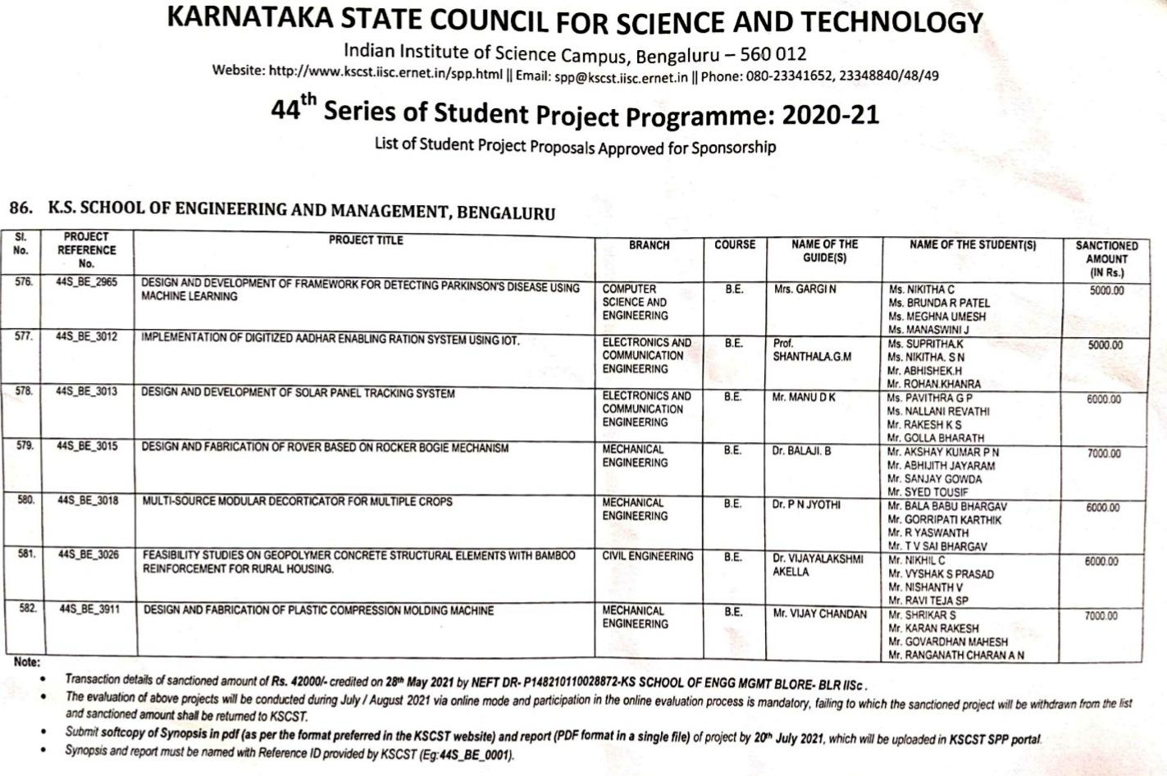
K.S. SCHOOL OF ENGINEERING AND MANAGEMENT, BENGALURU-560109
KSCST 44th SPP Proposals BE and M Tech
ACADEMIC YEAR : 2020-21 (ODD SEMESTER)

Sl. No. | Department | DD No. | Guide Name | Team Leader Name | Title of Proposal
1 | CSE | 504003 | Prof. Santosh kumar J | Archana | Development of prototype of smart garbage bins for smart cities | CSE | 13
2 | CSE | 816721 | Prof. Pradeep K R | Monica R | Analysis and Prediction of Autism spectrum disorder using machine learning techniques for childrens | Civil | 8
3 | CSE | 46693 | Prof. Swetha P | Ram Shree Vastav | Application based smart agriculture with supervision of soil Parameters using IoT | Me | 5
4 | CSE | 282035 | Prof.Swathi Darla | Chandana N | Predicting human behaviour by voice modulation | ECE | 12
5 | CSE | 282037 | Pro. Ashoka S | Naveen A | Immunation learning using humaoid robot | EEE | 4
6 | CSE | 657092 | Pro. Deepak M D | N Bharani | Design and develop a framework to test and validate the quality of food at resturants | Total | 42
7 | CSE | 657091 | Dr. Pradeep K R | Rakesh S | Automatic music transcription using CNN
8 | CSE | 46702 | .Prof. Santhosh Kumar S | Akshatha M N | Predicting future terrorist activities by detecting text messages online using machine learning
9 | CSE | 805665 | Prof. Sandeep H | Yashash T V | Covid 19 data analysis and Risk Prediction
10 | CSE | 513486 | Dr. Vandana Jha | Sarvottam Katti | Sign language to Speech convertion for Deaf and Mute person
11 | CSE | 907617 | Prof. Gargi N | Nikhita C | Design and development of Framework for detecting Parkinson's
12 | CSE | 375560 | Prof. Ugranada Channabasava | Raviteja S | Predicting student attention in classroom using Machine Learning
13 | CSE |  | Prof. Sandhya A A K | Lokesh | Predicting using Machine Learning
14 | Civil | 555534 | Dr.Vyshali | Kruthik R | Time series analysis of Mangrove forests of sita river basin, udupi district using Geospatial techniques
15 | Civil | 502281 | Dr.Vyshali | Krupa l | Morphometric analysis using SRTM, DEM and GIS of Kaali Micro watershed Uttarakhand district karnataka
16 | Civil | 780207 | Dr.Vijaylakshmi Akella | Nikhil C | Feasibility study on geopolymer concrete structural elements with bamboo reinforcement for rural housing
17 | Civil | 902598 | Prof.Naveen MP | Arun M | Experimental study on development of Geopolymer paver blocks for sustainable pedestrian facility
18 | Civil | 339053 | Prof.Veerendra Kumar M | Akarsh Hari | Experimental studies on use of suger molasses as an admixture in cement concrete
19 | Civil | 238803 | Amrutha Dhiraj | Sarajuddin | Experimental investigation of properties of concreate using natural plasterizer
20 | Civil(M.Tech) | 780276 | Naveena M P | Abhishek R | Experirmrntal studies on seismic behavoioural of beam column transfer joint in still concreeate steel
21 | Civil(M.Tech) | 902599 | Prof.Naveen MP | Jayanth Kumar D | Experimental study on structural behavior of steel concrete vertical suitable for airport terminals
22 | Mech | 738180 | Dr. J. Prashanth | Akash J Nayak | Design and frabrication of electromechanical device to prevent wheeling of two wheeler
23 | Mech | 871840 | Prof. Nishanth Nag | Navneeth S shetty | Performance evaluation of Di-Deisel engine for different diesel blend ratios of gummi gutta seed
24 | Mech | 51427 | Dr.Balaji | Akshay Kumar P N | Design and fabrication of Rover based on Rocker Bogie mechanism
25 | Mech | 780221 | Prof. Vijay Chandan | Srikar S | Design and fabrication of plastic compression modlingmachine
Sl. No. | Department | DD No. | Guide Name | Team Leader Name | Title of Proposal
26 | Mech | 780238 | Dr. Jyothi P N | Bala Babu Bhargav | Multi sourse moduler decorticator for multiple crops
27 | ECE | 685619 | Dr. Karthik P | Vishnu K | Design and Development of renewable energy harvesting in the acoustic environment
28 | ECE | 481016 | Prof. Renuka V tali | Pragathi U | Implementation of gas detection and monitoring using IoT
29 | ECE | 281902 | Prof. Renuka V tali | Vinay L | Implementation Driver sleep detection and alert system
30 | ECE | 281901 | Dr. Senthil babu | Naidu Sravya Karunakar | Prototype for real time drip irrigation system with crop detection
31 | ECE | 23961 | Prof. Gopal Krishna Murthy | Divya m | Newer techniques in trating domestic sewage
32 | ECE | 281900 | Prof. Gopal Krishna Murthy | Deeksha N V | IoT Based Smart agriculture monitoring system
33 | ECE | 499927 | Prof. Ravikiran B A | Dinesh G | Implemnation of a tremor detection system to monitor the effectiveness of parkinsons medications
34 | ECE | 320227 | Prof. Syed Wasim Tabraiz | Bhuvaneshwari B | Implementation of smart medicine box for blind elderly people using IoT
35 | ECE | 376944 | Dr. Shalini Shravan | Monica S | Implementation of deep learning technique for lung disease
36 | ECE | 993480 | Prof. Shantala G M | Suprita k | Implementation of digitized adhar enabling ration system using IoT
37 | ECE | 281896 | Prof. Manu D K | Pavitra G A | Design and Development of solar panel tracking system
38 | ECE | 51577 | Prof. Manu D K | Akhilesh B B | Design and implemenation of Solar Grass cutter
39 | EEE | 953396 | Dr. Arun Kumar M | Akash V H | Multiinfo DC to DC ant DC to AC converters for renewable enrgy applications
40 | EEE | 300586 | Mrs. Prathiksha | Mutturaju D M | Fabrication and testing of Three wheeler electric Go Kart
41 | EEE | 358617 | Prof. Ramya K R | Harshita M | Designa nd Development of Solar Power autonomous multipurpose argricultural robot using IoT
42 | EEE | 780300 | Prof.Manjuala B G | Tunga S | Designa nd Development of Internet of Things enabled livestock monitoring and control system

